Task6
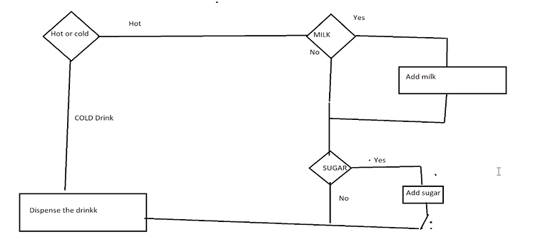

Test 1: Cold drink
Test 2: Hot drink with milk and sugar

 | Statement coverage | 3/3 | 100%
 | Branch coverage | 4/6 | 66.7%

Test: Hot drink without milk and sugar

